K NN
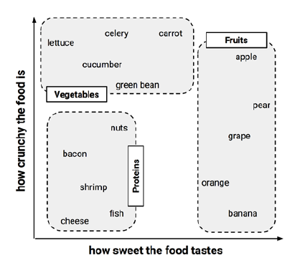
 | Ingredient | Sweetness | Crunchiness | Food type | Distance to the Tomoto
 | apple | 10 | 9 | fruit | 6.4
 | LF | 1 | 4 | vegetable | 5
 | banana | 10 | 1 | fruit | 3.6 | 2
 | carrot | 7 | 10 | vegetable | 1.4 | 1
 | celery | 3 | 10 | vegetable | 6.6
 | cheese | 1 | 1 | protein | 5.8

New Data | Tomoto | 6 | 4 | Veg

 | K -NN |  | SQRT((6-10)^2+(4-9)^2)
 |  | 1,3,5,7

K=1 | 1-NN
K=3 | 3-NN

K=2

